EnableBoard
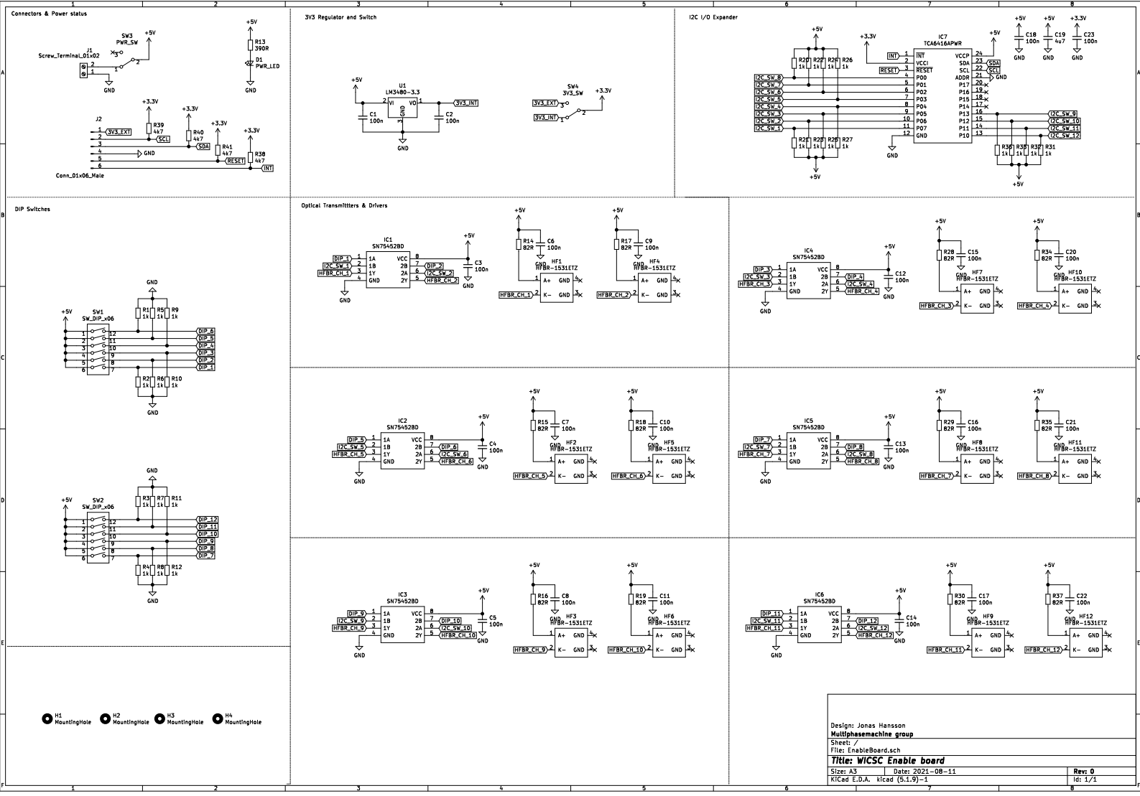
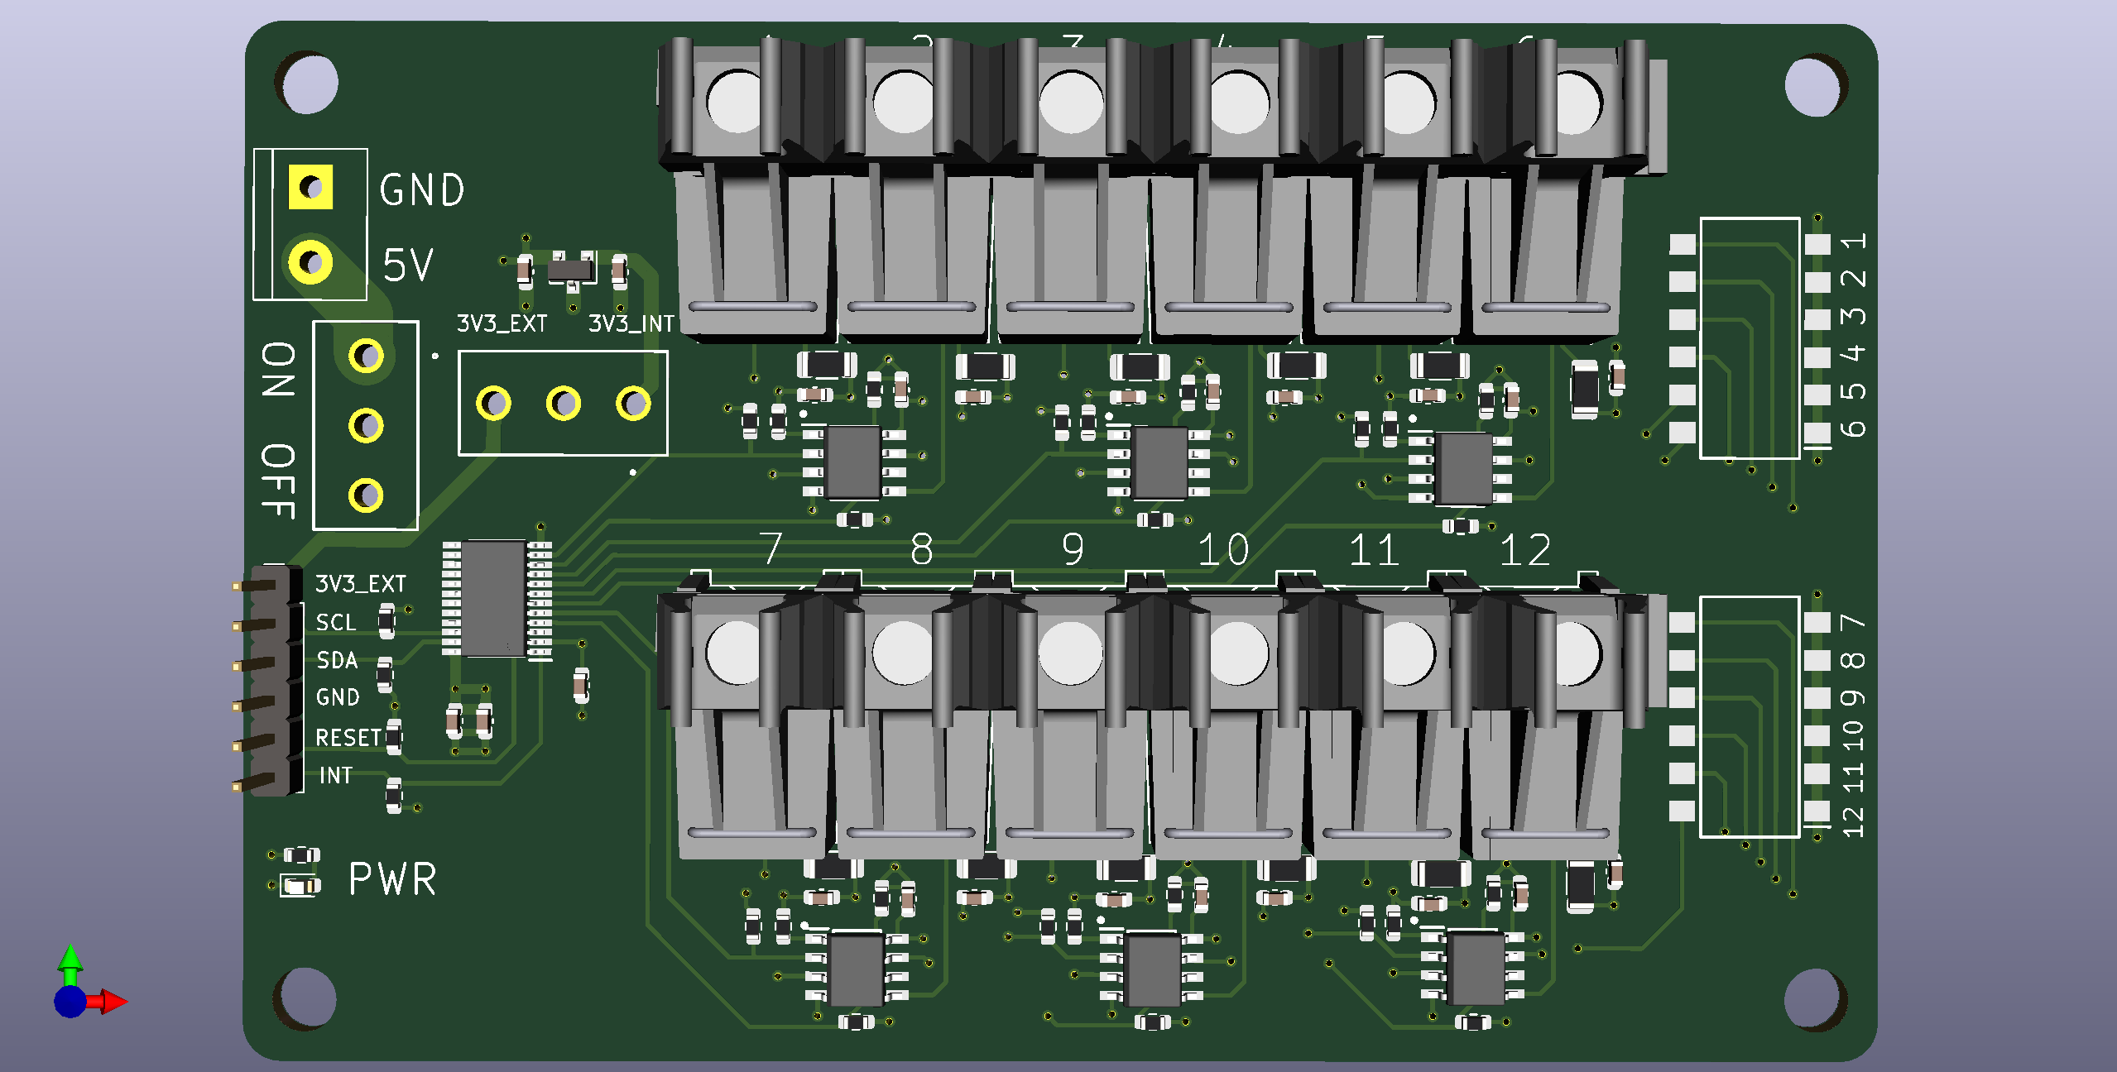
Reference | Quantity | Value | Already Avaliable in Lab | Footprint | Link
C1 C2 C3 C4 C5 C6 C7 C8 C9 C10 C11 C12 C13 C14 C15 C16 C17 C18 C20 C21 C22 C23 | 22 | 100n | Yes | Capacitor_SMD:C_0603_1608Metric | https://www.elfa.se/sv/keramisk-kondensator-100nf-25vdc-0603-rnd-components-rnd-1500603b104j250nt/p/30086427?q=&pos=16&origPos=852&origPageSize=50&track=true
C19 | 1 | 4u7 | No | Capacitor_SMD:C_0603_1608Metric | https://www.elfa.se/sv/keramisk-kondensator-7uf-10vdc-0603-10-murata-grm188c71a475ke11d/p/30173335?q=&pos=10&origPos=1520&origPageSize=50&track=true
D1 | 1 | PWR_LED | No | LED_SMD:LED_0603_1608Metric | https://www.elfa.se/sv/led-smd-groen-575nm-20ma-2v-100-everlight-electronics-19-21sygc-s530-e1-tr8/p/17531247?q=LED+&pos=4&origPos=576&origPageSize=50&track=true
HF1 HF2 HF3 HF4 HF5 HF6 HF7 HF8 HF9 HF10 HF11 HF12 | 12 | HFBR-1531ETZ | No, (Could salvage from old board) | ThirdParty:HFBR-15X1V | https://se.rs-online.com/web/p/fibre-optic-transmitters/0236638
IC1 IC2 IC3 IC4 IC5 IC6 | 6 | SN75452BD | No | SamacSys_Parts:SOIC127P600X175-8N | https://se.rs-online.com/web/p/peripheral-drivers/1684878
IC7 | 1 | TCA6416APWR | No | SamacSys_Parts:SOP65P640X120-24N | https://www.mouser.se/ProductDetail/Texas-Instruments/TCA6416APWR?qs=dPU19HLeAhmnDTBE34%252BDbA%3D%3D
J1 | 1 | Screw_Terminal_01x02 | Yes | TerminalBlock:TerminalBlock_bornier-2_P5.08mm | Available in the lab
J2 | 1 | Conn_01x06_Male | Yes | Connector_PinHeader_2.54mm:PinHeader_1x06_P2.54mm_Vertical | Available in the lab
R13 | 1 | 390R | No | Resistor_SMD:R_0603_1608Metric | https://www.elfa.se/sv/ytmonterade-tjockfilmsmotstand-foer-hoegeffekt-0603-390ohm-200mw-rnd-components-rnd-155hp03w5f3900t5e/p/30111703?q=&pos=7&origPos=2774&origPageSize=50&track=true
R1 R2 R3 R4 R5 R6 R7 R8 R9 R10 R11 R12 R20 R21 R22 R23 R24 R25 R26 R27 R31 R32 R33 R36 | 24 | 1k | No | Resistor_SMD:R_0603_1608Metric | https://www.elfa.se/sv/motstand-ytmontering-100mw-1kohm-0603-bourns-cr0603afx-1001elf/p/30213580?q=&pos=3&origPos=471&origPageSize=50&track=true
R14 R15 R16 R17 R18 R19 R28 R29 R30 R34 R35 R37 | 12 | 82R | Yes | Resistor_SMD:R_1206_3216Metric | https://www.elfa.se/sv/ytmonterade-tjockfilmsmotstand-foer-hoegeffekt-1206-82ohm-500mw-rnd-components-rnd-155hp06w2f820jt5e/p/30111989?q=&pos=1&origPos=1264&origPageSize=50&track=true
R38 R39 R40 R41 | 4 | 4k7 | 3K3 avaliable, which will also work | Resistor_SMD:R_0603_1608Metric | https://www.elfa.se/sv/ytmonterade-tjockfilmsmotstand-foer-hoegeffekt-0603-7kohm-200mw-rnd-components-rnd-155hp03w5f4701t5e/p/30111714?q=&pos=12&origPos=2761&origPageSize=50&track=true
SW1 SW2 | 2 | SW_DIP_x06 | No | SamacSys_Parts:SOP254P980X380-12N | https://www.mouser.se/ProductDetail/Diptronics/DMR-06-T-V-T-R?qs=MLItCLRbWsy0ocKG3Qn3uA%3D%3D
SW3 | 1 | PWR_SW | No | SamacSys_Parts:CS12ANW03 | https://www.elfa.se/sv/skjutreglage-av-miniatyrtyp-1co-pa-pa-loedoeron-rnd-components-rnd-210-00581/p/30152605?q=&pos=6&origPos=13&origPageSize=50&track=true
SW4 | 1 | 3V3_SW | No | SamacSys_Parts:CS12ANW03 | https://www.elfa.se/sv/skjutreglage-av-miniatyrtyp-1co-pa-pa-loedoeron-rnd-components-rnd-210-00581/p/30152605?q=&pos=6&origPos=13&origPageSize=50&track=true
U1 | 1 | LM3480-3.3 | No | Package_TO_SOT_SMD:SOT-23 | https://se.rs-online.com/web/p/voltage-regulators/5361530

